Sheet1
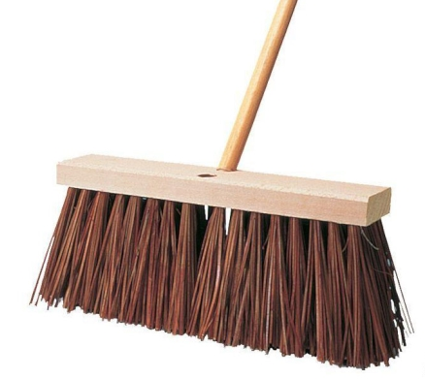
Brooms and Brushes Programm 2017 - H.T. Borstenson

 | H.T. Borstenson is proud that our origin as a company, in 1911, was in broom manufacturing. We’ve come a long way since then and so have brooms and brushes! Select the right brush for you, from our wide selection of push brooms, upright brooms, lobby brooms, and dusting brushes. We even offer specialty brushes to satisfy the requirements of multiple surfaces, as well as, different types of flooring. Brooms and brushes may also be accompanied by a variety of handle styles including, tapered, threaded and metal tip. Unsure of the best brush for your particular flooring? Contact us today and we’d be happy to help you make the best selection.

 | Brooms and Brushes:
 | Upright Angle Broom, O'Cedar | $12.50 | BOP.003.23451
 | Push Broom - Medium Duty Tampico (18 in.) | $87.30 | BOP.003.88765
 | Utility Brush - Long Handle | $9.87 | BOP.214.99821
 | Tile & Grout Cleaning Brush (rectangle) | $12.80 | BOP.214.98251
 | Street Broom - Heavy Duty | $11.00 | BOP.003.24445

